Question 7
Total Views, Likes and Comments
Row Labels | Sum of views | Count of comment | Sum of likes
Autos & Vehicles | 3000402 | 2 | 54702
Education | 4726045 | 116 | 21857
Entertainment | 91068750 | 194 | 701192
Film & Animation | 28772359 | 24 | 92950
Howto & Style | 4641565 | 13 | 27650
Music | 1954645 | 4 | 12238
News & Politics | 47050581 | 108 | 136839
People & Blogs | 19296320 | 82 | 45128
Religious | 2542635 | 42 | 49603
Science & Technology | 3449587 | 4 | 53599
Sports | 2543198 | 3 | 2516
Grand Total | 209046087 | 592 | 1198274

Question 8
Row Labels | Sum of views | Row Labels | Sum of likes | Row Labels | Sum of engagement rate
45Nkhoa72gY | 3283995 | 6Q0AazVu1Tc | 85639 | 38gpuUNEh_Q | 0.046898807923
6Q0AazVu1Tc | 5423477 | gbRijjvIeyk | 51014 | CYJmcacrevQ | 0.048226046314
ogfYd705cRs | 2281355 | gR0XvajmaMY | 24610 | F9XDFmNkMcU | 0.048305422269
PTQMog9u2Zo | 2682056 | gxepM2uSW9g | 36847 | i_81ZXfCKa8 | 0.060087894527
Q3jege0p0dQ | 6983042 | IprmiOa2zH8 | 24030 | K_b4KfPFqSA | 0.049145685329
rucOLpxX6WE | 2769089 | ogfYd705cRs | 25338 | k9x2HrrhcbU | 0.046824724809
T2YJYVYYhfI | 2291019 | PTQMog9u2Zo | 39322 | LneKK607484 | 0.064746149458
XYviM5xevC8 | 2903560 | Q3jege0p0dQ | 177110 | pomBy7z-14U | 0.056172861089
yTjmwsla5Vs | 2164560 | T2YJYVYYhfI | 24379 | vUq9JjoiGFE | 0.054915366378
zUZ1z7FwLc8 | 2735945 | XYviM5xevC8 | 64666 | zYfd6jJ7apg | 0.048211317037
Grand Total | 33518098 | Grand Total | 552955 | Grand Total | 0.52353427513
Top 10 videos based on likes
Top 10 videos based on views
Top 10 videos based on engagement rate

Question 10
Row Labels | Sum of views | Count of comment | Sum of likes
2017 | 39299817 | 180 | 143734
2018 | 169746270 | 412 | 1054540

Question 13
Sentiment Analysis Chart
Row Labels | Count of comment
Autos & Vehicles | 2
Education | 116
Entertainment | 194
Film & Animation | 24
Howto & Style | 13
Music | 4
News & Politics | 108
People & Blogs | 82
Religious | 42
Science & Technology | 4
Sports | 3
Grand Total | 592

Question 14
Comparision between categories w.r.t likes
Row Labels | Sum of likes
Autos & Vehicles | 54702
Education | 21857
Entertainment | 701192
Film & Animation | 92950
Howto & Style | 27650
Music | 12238
News & Politics | 136839
People & Blogs | 45128
Religious | 49603
Science & Technology | 53599
Sports | 2516

Comparision between categories w.r.t Views
Row Labels | Sum of views
Autos & Vehicles | 3000402
Education | 4726045
Entertainment | 91068750
Film & Animation | 28772359
Howto & Style | 4641565
Music | 1954645
News & Politics | 47050581
People & Blogs | 19296320
Religious | 2542635
Science & Technology | 3449587
Sports | 2543198
Grand Total | 209046087

Comparision between categories w.r.t dislikes
Row Labels | Sum of dislikes
Autos & Vehicles | 1952
Education | 3769
Entertainment | 94778
Film & Animation | 22771
Howto & Style | 7591
Music | 389
News & Politics | 105167
People & Blogs | 15464
Religious | 2276
Science & Technology | 5554
Sports | 527
Grand Total | 260238

Question 16
Geographic Analysis
Row Labels | Sum of views
Andaman and Nicobar Islands | 2711851
Andhra Pradesh | 6004535
Arunachal Pradesh | 2882953
Assam | 7528471
Bihar | 13411807
Chandigarh | 3206468
Chhattisgarh | 5658688
Dadra and Nagar Haveli and Daman and Diu | 5688166
Delhi | 3030601
Goa | 3438975
Gujarat | 2902732
Haryana | 7508335
Himachal Pradesh | 4506391
Jammu and Kashmir | 4681945
Jharkhand | 3001414
Karnataka | 11039543
Kerala | 8702065
Ladakh | 3262571
Lakshadweep | 1221848
Madhya Pradesh | 1677230
Maharashtra | 5926215
Manipur | 4367770
Meghalaya | 4140417
Mizoram | 1630595
Nagaland | 10672152
Odisha | 6602986
Puducherry | 4768383
Punjab | 6354892
Rajasthan | 12480132
Sikkim | 2607172
Tamil Nadu | 7532330
Telangana | 5969689
Tripura | 3406148
Uttar Pradesh | 13381048
Uttarakhand | 5926028
West Bengal | 11213541

Dashboard
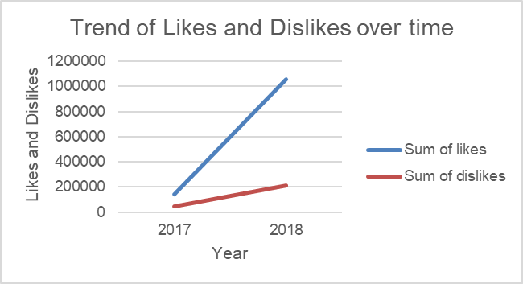
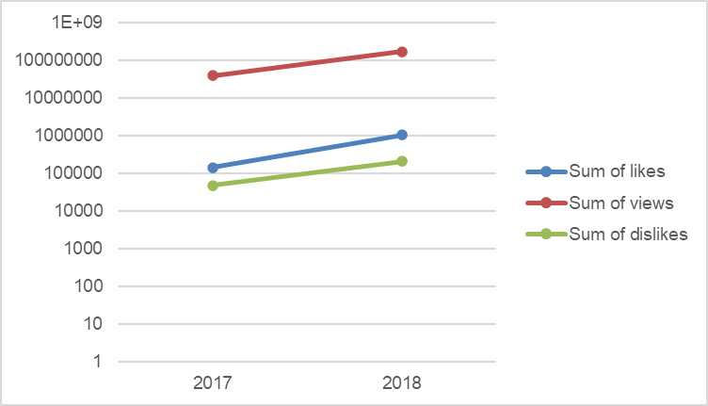
DASHBOARD

Geographic Analysis
 | Total
Andaman and Nicobar Islands | 2711851
Andhra Pradesh | 6004535
Arunachal Pradesh | 2882953
Assam | 7528471
Bihar | 13411807
Chandigarh | 3206468
Chhattisgarh | 5658688
Dadra and Nagar Haveli and Daman and Diu | 5688166
Delhi | 3030601
Goa | 3438975
Gujarat | 2902732
Haryana | 7508335
Himachal Pradesh | 4506391
Jammu and Kashmir | 4681945
Jharkhand | 3001414
Karnataka | 11039543
Kerala | 8702065
Ladakh | 3262571
Lakshadweep | 1221848
Madhya Pradesh | 1677230
Maharashtra | 5926215
Manipur | 4367770
Meghalaya | 4140417
Mizoram | 1630595
Nagaland | 10672152
Odisha | 6602986
Puducherry | 4768383
Punjab | 6354892
Rajasthan | 12480132
Sikkim | 2607172
Tamil Nadu | 7532330
Telangana | 5969689
Tripura | 3406148
Uttar Pradesh | 13381048
Uttarakhand | 5926028
West Bengal | 11213541

Question 18
Row Labels | Sum of likes | Sum of dislikes
2017 | 143734 | 48028
2018 | 1054540 | 212210

Trend of Likes and Dislikes over time

Question 19
Row Labels | Sum of likes | Sum of views | Sum of dislikes
2017 | 143734 | 39299817 | 48028
2018 | 1054540 | 169746270 | 212210
Growth Analysis

